MO Analysis
Issue: | Mcu_InitRamSection API does not initialize the Retention RAM section follow U5x Hardware User Manual

Expected Behaviour: | Mcu_InitRamSection API supports initialize the Retention RAM section

Actual Behaviour: | Mcu_InitRamSection API does not initialize the Retention RAM section

Impacted Products: | PDF, Generator

Phase Found: | Integration Test

Root Cause | Generator

Device Family: | U5x

Workaround: | In container McuRamSectorSettingConf:
 | Parameter 'McuRamSectionBaseAddress' always need to be configured with default value in Davinci.

Description:
 | [Impact to Customer/User]
 |  | Event: When user configure parameter 'McuRamSectionSize' initial size from ‘McuRamSectionBaseAddress' is scoped for Retention RAM,
 |  | User cannot initialize the RAM section for Retention RAM successfully as provided from the RAM Sector setting when invoking Mcu_InitRamSection API.

 | [Issue Condition]
 | In container McuRamSectorSettingConf:
 |  | +McuRamDefaultValue = 0
 |  | +McuRamSectionBaseAddress = 738197504 (0x2C000000)
 |  | +McuRamSectionSize = 4
 |  | +McuRamSectionWriteSize = 4

Analysis: | According to HWUM U5x version 1.02, section 4 Address Space.
 | The range of Retention RAM section address is from:
 | #U5L4_257_176_144, U5L4_100
 | Retention RAM: 0x2C000000..0x2C007FFC
 | #U5L2_176_144, U5L2_100_80_64
 | Retention RAM: 0x2C000000..0x2C007FFC
 | #U5L1_100_80_64
 | Retention RAM: 0x2C000000..0x2C003FFC

 | and, the section size of Retention RAM is
 | #U5L4_257_176_144, U5L4_100
 | Retention RAM: 32KB
 | #U5L2_176_144, U5L2_100_80_64
 | Retention RAM: 32KB
 | #U5L1_100_80_64
 | Retention RAM: 16KB

 | Currently, the description of parameter McuRamSectionBaseAddress in Parameter Definition File does not describe for Retention RAM.

 | In McuU5xIntermediate.cs and McuU5xValidation.cs, list 'RameSizeInfo' does not contains the the value of Retention RAM area:
 | Actual: |  |  | Expexted:

 | Besides, in McuCommon\Intermediate\CommonIntermediate.cs
 | Method 'ComputeMcuRamSettingStructure' computes the value of McuRamSettingStructure based on list 'RameSizeInfo'
 | Therefore, when user configure parameter ‘McuRamSectionBaseAddress' value is scoped for Retention RAM,
 |  | the value of McuRamSettingStructure is generated in Mcu_PBcfg.c without the the value of Retention RAM
 | Actual: |  |  | Expexted:

 | ++ Besides, in section 42.3 ECC and EDC, ECC error detection/correction and a notification to ECM of ECC 2-bit error and ECC error overflow are supported in MCU U5x Driver.

Solution or Proposal: | (1) Update description of parameter McuRamSectionBaseAddress and McuRamSectionSize in Parameter Definition File
 | Before: | McuRamSectionBaseAddress | McuRamSectionSize |  | After: | McuRamSectionBaseAddress | McuRamSectionSize
 |  | #U5L4_257_176_144, U5L4_100 | #U5L4_257_176_144, U5L4_100 |  |  | #U5L4_257_176_144, U5L4_100 | #U5L4_257_176_144, U5L4_100
 |  | CPU RAM (self): 0x200E0000..0x200FFFFC | CPU RAM: 128KB |  |  | CPU RAM (self): 0x200E0000..0x200FFFFC | CPU RAM: 128KB
 |  | CPU RAM (CPU0): 0x204E0000..0x204FFFFC | Global RAM: 704KB |  |  | CPU RAM (CPU0): 0x204E0000..0x204FFFFC | Global RAM: 704KB
 |  | Global RAM: 0x28000000..0x280AFFFC |  |  |  | Global RAM: 0x28000000..0x280AFFFC | Retention RAM: 32KB
 |  |  |  |  |  | Retention RAM: 0x2C000000..0x2C007FFC

 |  | #U5L2_176_144, U5L2_100_80_64 | #U5L2_176_144, U5L2_100_80_64 |  |  | #U5L2_176_144, U5L2_100_80_64 | #U5L2_176_144, U5L2_100_80_64
 |  | CPU RAM (self): 0x200E0000..0x200FFFFC | CPU RAM: 128KB |  |  | CPU RAM (self): 0x200E0000..0x200FFFFC | CPU RAM: 128KB
 |  | CPU RAM (CPU0): 0x204E0000..0x204FFFFC | Global RAM: 128KB |  |  | CPU RAM (CPU0): 0x204E0000..0x204FFFFC | Global RAM: 128KB
 |  | Global RAM: 0x28000000..0x28027FFC |  |  |  | Global RAM: 0x28000000..0x28027FFC | Retention RAM: 32KB
 |  |  |  |  |  | Retention RAM: 0x2C000000..0x2C007FFC

 |  | #U5L1_100_80_64 | #U5L1_100_80_64 |  |  | #U5L1_100_80_64 | #U5L1_100_80_64
 |  | CPU RAM (self): 0x200E8000..0x200FFFFC | CPU RAM: 96KB |  |  | CPU RAM (self): 0x200E8000..0x200FFFFC | CPU RAM: 96KB
 |  | CPU RAM (CPU0): 0x204E8000..0x204FFFFC | Global RAM: 32KB |  |  | CPU RAM (CPU0): 0x204E8000..0x204FFFFC | Global RAM: 32KB
 |  | Global RAM: 0x28000000..0x2800BFFC |  |  |  | Global RAM: 0x28000000..0x2800BFFC | Retention RAM: 16KB
 |  |  |  |  |  | Retention RAM: 0x2C000000..0x2C003FFC

 | (2) In McuU5xIntermediate.cs and McuU5xValidation.cs, update list 'RameSizeInfo' follow HWUM
 | Before: |  |  |  | After:

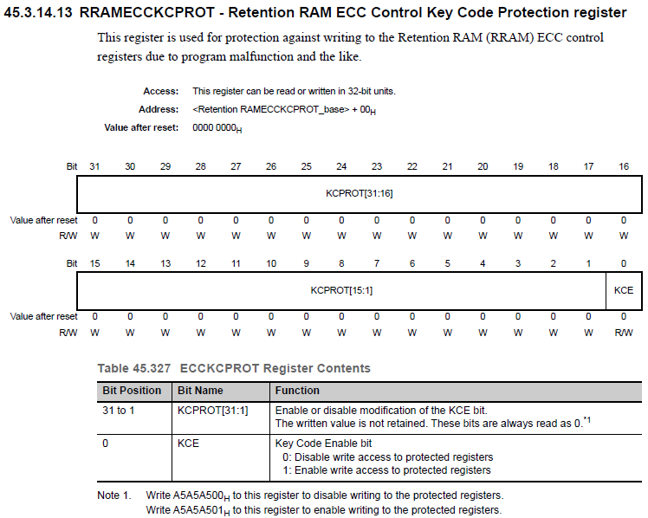
 | (3) Update method 'ComputeMcuRamSettingStructure' computes the value of McuRamSettingStructure based on list 'RameSizeInfo'

